WACC
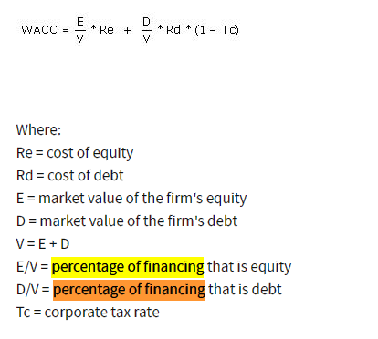
TC = | 30% | However, we want to decrease D/V from 44% to 40%
Re = | 9.9431 | D/V = | 40%
Rd = | 5.9500 | D/(E+D) = | 40%
E = | 28,000,000.00 | D = | 40% * (E + D)
D = | 22,000,000.00 | D = | .4E + .4D
V = | 50,000,000.00 | .6D = | .4E
E/V = | 56.0000% | .6D = | 11,200,000.00
D/V = | 44.0000% | D = | 18,666,666.67
WACC = | 7.400736
 |  | Adjusted WACC with adjusted D
 |  | TC = | 30%
 |  | Re = | 9.9431
 |  | Rd = | 5.9500
 |  | E = | 28,000,000.00
 |  | D = | 18,666,666.67
 |  | V = | 46,666,666.67
 |  | E/V = | 60.0000%
 |  | D/V = | 40.0000%
 |  | WACC = | 7.63186

